Sheet1 (3)
Heat Exchanger Design

Group 05 (E5)

 | Crude oil | Vacuum residue
Mass flow rate (kg/s) | 40 kg/s | -
Input temperature (0C) | 175 | 339 0C
Output temperature (0C) | 203 0C | 290
 |  |  |  |  |  |  | Data
 |  |  |  |  |  |  |  |  | Mass flowrate | Heat Capacity | Input Tempratue | Output Tempratue | Kinematic Viscousity | Density | Dynamic Viscousity | Heat conductivity

Step 1 |  |  |  |  |  |  |  |  | kg/s | J/kg.K | °C | °C | m2/s | kg/m3 | kg/ms | W/mK
 |  |  |  |  |  |  | Tube Side Fluid | Symbol | mc | Cpc | Tcin | Tco | ŋ | ƿ | µ | k
BWG | 16 |  | 1 inch = | 0.0254 m |  |  | Cold(Crude oil) | Value | 40 | 3320 | 175 | 203 | 0.00000105 | 759 | 0.00079695 | 0.126
Length(L) | 6.1 m
Diameter(di) | 0.01574 m |  | 0.619685039 inches |  |  |  | Shell Side Fluid | Symbol | mh | Cph | Thin | Tho | ŋ | ƿ | µ | k
wall thickness | 0.001651 m |  | 3 mm |  |  |  | HGO(Heavy Gas Oil) | Value | 34.493506494 | 2200 | 339 | 290 | 2.9702970297E-06 | 808 | 0.0024 | 0.12
tube outside diameter do | 0.01905 m |  | 0.75 inches

Step 2

inner falling factor hdi | 0.0005 | m2K/W |  |  |  |  |  |  |  |  | uw | 0.0024
outer falling factor hdo | 0.0003 | m2K/W

Step 3

Tube material | s.Steel
Conductivity | 16 | W/m°C

Step 4

heat duty q | 3718400 J/s

Step 5

LMTD - counter current | 125.2066227

Step 6 |  | For 1 shell-2 tube pass exchanger

R | 1.75
S | 0.17073170732
temperature correction factor Ft | 0.98521812686 |  |  |  | 0.45750413481
 |  |  |  |  | 2.0155644371

Step 7

mean temperature difference(DTm) | 123.35583428

Step 8

U(assumed) | 200 |  | 26.922424089

Step 9

provincial area A | 150.718449 m^2

Step 10

number of tubes(Nt) | 412.84946689
Approximate | 413

Step 11
 |  |  | Square pitch
tube pitch pt | 0.0238125 |  | Kl | 0.156 | Table
bundle diameter Db | 0.594096593 m |  | nl | 2.291

Step 12

bundle diameter clearance BDC | 0.013940966 m |  | Graph |  | for U tube
 |  |  |  |  | Db | BDC
Step 13 |  |  |  |  | 0.2 | 10
 |  |  |  |  | 1.2 | 20
shell diameter Ds | 0.608037559 m |  |  |  | 0.59409659322 | 13.940965932

Step 14

Bs | 0.24321502366
(Baffle Spacing)

Step 15

cross flow area As | 0.029576773867

Step 16

shell side mass velocity Gs | 1166.236272

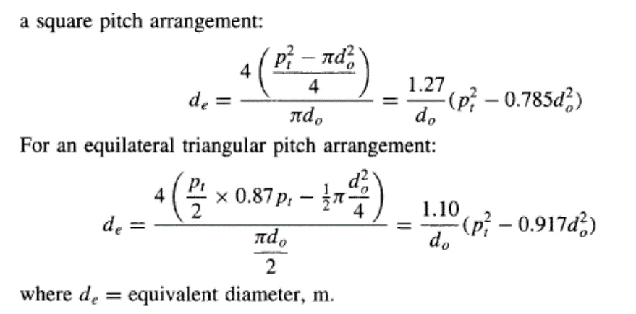

Step 17

shell equivalent diameter de | 0.01881044625

Shell Side
Step 18

Re | 9140.593629 |  | us | 1.4433617228

Step 19

Pr | 44

Step 20 |  |  |  |  |  | for 25% baffle cut
 |  |  |  |  |  | Re | jh
Nu | 180.91360397 |  | jh | 0.0056063378388 | for 25% cut | 4000 | 0.02
 |  |  | hs | 28.358880195 |  | 9000 | 0.006
 |  |  |  |  |  | 9140.593629 | 0.0056063378388
Step 21

shell side pressure drop Ps | 279638.85849 |  | jf | 0.051227723387 | for 25% cut | for 25% baffle cut
 |  |  |  |  |  | Re | jf
 |  |  |  |  |  | 3000 | 0.06
 |  |  |  |  |  | 10000 | 0.05
 |  |  |  |  |  | 9140.593629 | 0.051227723387

Tube Side

Step 22

number of tubes per pass Ntpp | 206.42473344 |  | Number of passes | 2
Approximate | 206

Step 23

tube side mass velocity Gm | 995.86145088

Step 24

velocity v | 1.3120704228

Step 25
Tube side
Pr | 20.999
Re | 19668.560433

Step 26
 |  |  |  | for Re<2100 | for Re>2100
inside heat coefficient hi | 1371.5785367 |  |  | 127.34231615 | 1371.5785367

Step 27

 |  |  |  |  | 9.3880176691E-05

Uo | 26.922424089

Step 28
 | Assumed value | Calculated value | Diff
U | 200 | 26.922424089 | 173.07757591

total surface area of tubes | 150.718449 m^2
number of tubes | 412.84946689
exchanger length | 6.1 m
exchanger diameter | 0.608037559 m
heat duty | 3718400 J/s

Step 29

tube side pressure drop Pi | 1371.5785367 | Pa |  | m | 0.14

